Portfolio Summary
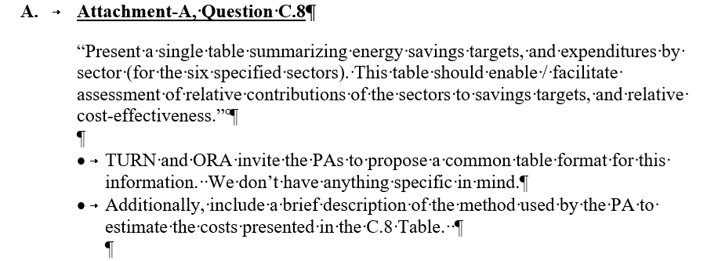
BAY AREA REGIONAL ENERGY NETWORK (BAYREN)
SUPPLEMENTAL 2018 EE BUDGET INFORMATION
PORTFOLIO SUMMARY

 | 2016 EE Portfolio Expenditures |  |  |  | 2018 EE Portfolio Budget |  |  |  | 2016 EE Portfolio Savings |  |  | 2018 EE Portfolio Forecasted Savings
Sector | Labor | Non-Labor (excl. Incentives) | Incentives | Total | Labor | Non-Labor (excl. Incentives) | Incentives | Total | KWH | KW | MTHERMS | KWH | KW | MTHERMS
Residential | $334,357.10 | $4,860,526.00 | $9,303,146.90 | $14,498,030.00 | $342,000.00 | $6,471,000.00 | $9,790,000.00 | $16,603,000.00 | 2,916,844 | 1,537,812 | 0.37 | 3,000,000 | 1,650 | 0.45
Commercial | $10,604.59 | $111,826.47 | $- | $122,431.06 | $34,000.00 | $2,509,000.00 | $500,000.00 | $3,043,000.00 | 0 | 0 | 0 | 2,600,000 | 945 | 0.30
Agricultural
Industrial
Public (GP) | $- | $- | $- | $- | $20,000.00 | $480,000.00 | $- | $500,000.00 | 0 | 0 | 0 | 1,300,000 | 270 | 0.11
Cross Cutting* | $140,473.83 | $1,724,090.01 | $- | $1,864,563.84 | $530,000.00 | $2,551,000.00 | $- | $3,081,000.00 | 0 | 0 | 0 | 0 | 0 | 0.00
Total | $485,435.52 | $6,696,442.48 | $9,303,146.90 | $16,485,024.90 | $926,000.00 | $12,011,000.00 | $10,290,000.00 | $23,227,000.00 | 2,916,844 | 1,537,812 | 0.37 | 6,900,000 | 2,865.00 | 0.86
EM&V-PA |  |  |  | $- |  | $400,950.00 |  | $400,950.00
EM&V-ED |  |  |  | $- |  |  |  | $-
OBF - Loan Pool** |  | $380,000.00 |  | $380,000.00 |  | $830,000.00 |  | $830,000.00
REN |  |  |  | $- |  |  |  | $-
CCA |  |  |  | $- |  |  |  | $-
EE Total | $485,435.52 | $7,076,442.48 | $9,303,146.90 | $16,865,024.90 | $926,000.00 | $13,241,950.00 | $10,290,000.00 | $24,457,950.00 | 2,916,844 | 1,537,812 | 0.37 | 6,900,000 | 2,865.00 | 0.86
* Cross Cutting Sector includes Codes & Standards, Emerging Technologies, Workforce Education & Training, Financing.
** For SDG&E and SCG the loan pool is not part of the authorized EE portoflio budget and is collected and tracked through a separate balancing account.

Portfolio Headcount (FTE)
BAY AREA REGIONAL ENERGY NETWORK (BAYREN)
SUPPLEMENTAL 2018 EE BUDGET INFORMATION
PORTFOLIO STAFFING

Functional Group | 2016 EE Portfolio FTE | 2018 EE Portfolio FTE
Policy, Strategy, and Regulatory Reporting Compliance | 1.01 | 1.26
Program Management | 0.77 | 2.37
Engineering Services | 0.00 | 0.00
Customer Application/Rebate/Incentive Processing | 0.00 | 0.00
Customer Project Inspections | 0.00 | 0.00
Portfolio Analytics | 0.08 | 0.13
EM&V | 0.00 | 0.00
ME&O | 0.09 | 0.19
Account Management / Sales | 0.00 | 0.00
IT | 0.01 | 0.01
Call Center | 0.00 | 0.00
Total | 1.96 | 3.96

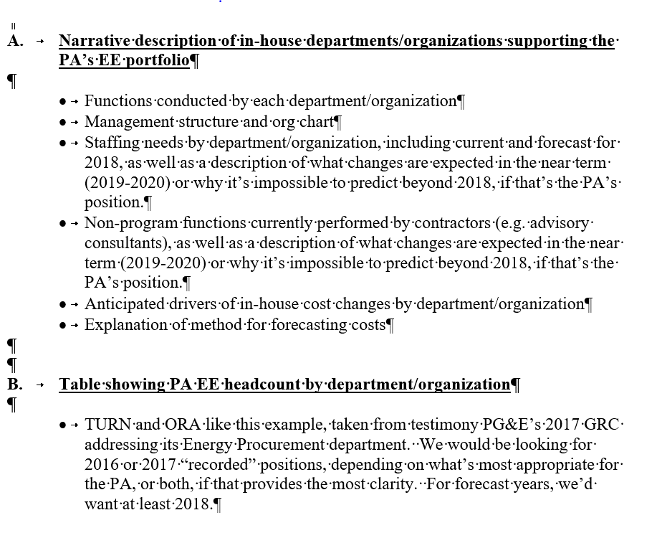
Notes
2018: +1 FTE for C&S Program Management
2018: +1 FTE for PAYS Program Management

Residential
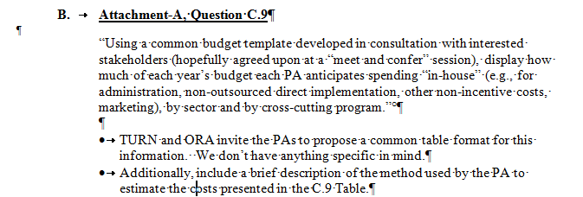
BAY AREA REGIONAL ENERGY NETWORK (BAYREN)
SUPPLEMENTAL 2018 EE BUDGET INFORMATION
RESIDENTIAL BUDGET DETAIL

Sector | Cost Element | Functional Group | 2016 EE Portfolio Expenditures | 2018 EE Portfolio Budget
Residential | Labor(1) | Policy, Strategy, and Regulatory Reporting Compliance | $174,180.28 | $180,000.00
 |  | Program Management | $122,733.43 | $128,000.00
 |  | Engineering services
 |  | Customer Application/Rebate/Incentive Processing
 |  | Customer Project Inspections
 |  | Portfolio Analytics | $13,957.15 | $15,000.00
 |  | ME&O (Local) | $21,633.35 | $17,000.00
 |  | Account Management / Sales
 |  | IT | $1,852.89 | $2,000.00
 |  | Call Center
 | Labor Total |  | $334,357.10 | $342,000.00
 | Non-Labor | Third-Party Implementers Contracts
 |  | Local/Government Partnerships Contracts (3) (4) | $3,354,144.61 | $3,776,000.00
 |  | Other Contracts
 |  | Policy, Strategy, and Regulatory Reporting Compliance | $187,338.88 | $300,000.00
 |  | Program Management |  | $350,000.00
 |  | Engineering services | $50,922.91 | $175,000.00
 |  | Customer Application/Rebate/Incentive Processing | $414,030.90 | $560,000.00
 |  | Customer Project Inspections | $169,743.04 | $250,000.00
 |  | Portfolio Analytics | $109,600.77 | $180,000.00
 |  | ME&O (Local) | $174,527.44 | $200,000.00
 |  | Account Management / Sales
 |  | IT | $8,487.15 | $30,000.00
 |  | Call Center | $391,730.30 | $650,000.00
 |  | Facilities
 |  | Incentives--Core Programs | $9,303,146.90 | $9,790,000.00
 |  | Incentives--Third Party Program
 | Non-Labor Total |  | $14,163,672.90 | $16,261,000.00
Residential Total |  |  | $14,498,030.00 | $16,603,000.00
 | Other (collected through GRC) | Labor Overheads

Notes: | (1) Labor rates are fully loaded, inclusive of overhead and fringe benefits
 | (3) BayREN member local government agency contracts
 | (4) 2018 Budget excludes $830,000 loan capital tracked in portfolio summary in cell G17. In BayREN's Business Plan filing, this balance is included in the sector budget.

