Sheet
Respondent # | What is your first name? | What is your last name? | What is your affiliation (company, organization, or agency name)? | Please identify your CAEECC affiliation. If you're unsure if you are from a CAEECC Member organization please check the list of CAEECC Members here. | Meeting Objective 1 was accomplished (Provide update on CAEECC membership and activities) | Meeting Objective 2 was accomplished (Discuss Planning for Evolving CAEECC WG) | Meeting Objective 3 was accomplished (Provide update on other relevant proceedings) | Please add any clarifying comments regarding your responses to the questions above about Objectives. | Presentations and background documents were clear and helpful. | Please add any clarifying comments regarding your response to question 4 above about presentations and background documents. | Do you feel this meeting was an inclusive and trusting environment? (not at all safe, somewhat safe, very safe) | Please add any clarifying comments regarding your response to the question above about inclusive & trusting environment. | The facilitators were effective in running the meeting (e.g., fostering a constructive and efficient forum, being impartial, and making sure no one dominated discussions). | Please add any clarifying comments regarding your responses to question 8 about meeting facilitation. | Overall, the online meeting format (Zoom) was smooth and effective. | Please add any clarifying comments regarding your responses to the question about the online meeting format. | Overall, this Full CAEECC meeting was successful. | Please add any clarifying comments regarding your responses to the question about the overall meeting success. | Please add any suggested improvements for future CAEECC meetings. | Please add any suggested improvements for future CAEECC meetings. | Did you attend Optional Assembly Session 3: Relevant Updates? Note attendance is totally optional; the purpose of this question is to inform the facilitation team to improve meeting design going forward
 |  |  |  | Select from the Dropdown | Response |  | Response | Open-Ended Response | Response | Open-Ended Response | Response | Open-Ended Response | Response | Open-Ended Response | Response | Open-Ended Response | Response | Open-Ended Response | Open-Ended Response | Open-Ended Response | Open-Ended Response
1 | First 1 | Last 1 | Org 1 | Anonymous | 5 | 5 | 5 |  | 5 |  | 2 |  | 5 |  | 5 |  | 5 |  |  |  | 1
2 | First 2 | Last 2 | Org 2 | Anonymous | 5 | 5 | 5 |  | 5 |  | 2 |  | 5 |  | 5 |  | 5 |  |  |  | 2
3 | First 3 | Last 3 | Org 3 | Anonymous | 5 | 5 | 5 | None | 5 | None | 3 | None | 5 | None | 5 | None | 5 | None | None | None | 1
4 | First 4 | Last 4 | Org 4 | Anonymous | 5 | 5 | 5 | None | 5 | None | 3 | None | 5 | None | 5 | None | 5 | None | None | None | 1
5 | First 5 | Last 5 | Org 5 | Anonymous | 5 | 5 | 5 |  | 5 |  | 3 |  | 5 |  | 5 |  | 5 | Timing of meeting could be improved in terms of making sure there is enough time in breakouts. |  | Just call on people to get feedback | 1
6 | First 6 | Last 6 | Org 6 | Anonymous | 6 | 6 | 4 |  | 5 |  | 3 |  | 6 |  | 6 | There seemed to be an issue in the Chat function because direct messages were also being sent to everyone else. | 6 |  |  |  | 1
7 | First 7 | Last 7 | Org 7 | Anonymous | 6 | 6 | 6 |  | 6 |  | 3 |  | 6 |  | 6 |  | 6 |  |  |  | 2
8 | First 8 | Last 8 | Org 8 | Anonymous | 5 | 5 | 5 |  | 5 |  | 3 | many were the same people from our DEI Kick off meeting. | 5 | Clear and focused, able to herd us all back onto topic and task. | 4 | some audio issues could have been my end, and issues with folks being promoted it seemed. | 5 |  |  |  | 2
9 | First 9 | Last 9 | Org 9 | Anonymous | 5 | 5 | 5 |  | 5 |  | 2 |  | 4 |  | 5 |  | 5 |  |  |  | 2
10 | First 10 | Last 10 | Org 10 | Anonymous | 5 | 5 | 5 |  | 5 |  | 2 |  | 5 |  | 5 |  | 4 |  |  |  | 1
11 | First 11 | Last 11 | Org 11 | Anonymous | 5 | 5 | 4 | NA | 5 | NA | 3 | NA | 5 | NA | 5 | NA | 4 | NA | NA | Increased messaging to CBOs etc. | 1
12 | First 12 | Last 12 | Org 12 | Anonymous | 5 | 5 | 5 | N/A | 5 | N/A | 3 | I appreciate the way these meeting are facilitated. The attention to comments and acknowledgment of people attending. | 6 | Great facilitation. | 5 | N/A | 5 | N/A | None | Focus meeting on one topic, it may make it easier to recruit people who are interested in that topic. | 1
13 | First 13 | Last 13 | Org 13 | Anonymous | 5 | 5 | 5 |  | 5 |  | 3 |  | 5 |  | 6 |  | 5 |  |  |  | 1
14 | First 14 | Last 14 | Org 14 | Anonymous | 5 | 5 | 5 |  | 5 |  | 3 |  | 5 |  | 5 |  | 5 |  |  |  | 1
15 | First 15 | Last 15 | Org 15 | Anonymous | 6 | 6 | 6 | Each of the objectives were addressed in sufficient detail without doing so excessively. | 6 | Presentations and documents were appropriate for explaining the issues reviewed. | 3 | The group seemed very open-minded and accepting. | 6 | The facilitators proactively encouraged participation from all. | 6 | Zoom enabled an open discussion without significant technical issues. | 6 | The meeting had clear objectives, and effectively addressed them all. | Deeper dive on actual or potential studies, such as referenced by Anthony Kinslow in the DEI meeting, which seek to quantify the EE benefits of serving underserved customers, and how underserved customers place a higher value on programs enabling EE savings. | Review responses to Q. 13 and determine what the majority of participants suggest for improving future meetings. | 1
16 | First 16 | Last 16 | Org 16 | Anonymous | 6 | 6 | 6 |  | 6 |  | 3 | I always feel comfortable speaking but a lot of people don't say anything and I don't know if it's just b/c they don't have any comments or don't feel comfortable. | 6 |  | 6 |  | 6 | I think it was great but could have had Jesus' presentation earlier as you noted on the call. Hard to tell what will be of interest and I'll be sure to also think that through more moving forward. |  | Oof. Nope. I think it'll be easier when we get back in person. Maybe we want to do "aye" instead of silence is agreement so at least there is engagement? | 1
17 | First 17 | Last 17 | Org 17 | Anonymous | 5 | 5 | 5 | no comments | 5 | none | 3 |  | 6 |  | 6 |  | 5 |  |  |  | 1
18 | First 18 | Last 18 | Org 18 | Anonymous | 6 | 6 | 5 |  | 5 |  | 3 |  | 6 |  | 6 |  | 5 | Yes, but it felt like some topics could have been covered more succinctly. For example, reviewing responses to if people prefer in person or zoom meetings and preferred locations. These meetings are so long, would be nice to find ways to make them shorter. |  | I think it depends on the topic. Today's topics were relatively straight forward and didn't require much discussion. When there are more complex topics, advance direction on what we should come prepared to discuss (beyond sharing an agenda) might help. | 1
19 | First 19 | Last 19 | Org 19 | Anonymous | 6 | 5 | 6 | Integrating the last CPUC presentation into the first half of the meeting would have been beneficial so synergies or more time for open discussion would have been available. | 6 |  | 3 |  | 6 |  | 6 |  | 5 |  |  | Avoid back-to-back Zoom meetings | 1
20 | First 20 | Last 20 | Org 20 | Anonymous | 5 | 5 | 5 |  | 5 |  | 3 |  | 5 |  | 5 |  | 4 |  |  |  | 1
21 | First 21 | Last 21 | Org 21 | Anonymous | 6 | 6 | 5 |  | 5 |  | 3 |  | 5 |  | 5 |  | 5 |  |  |  | 1
Average (this meeting) - CAEECC members only |  |  |  |  | 5.3 | 5.3 | 5.1 |  | 5.2 |  | 5.6 |  | 5.4 |  | 5.4 |  | 5.1 |  |  |  | Yes = 17
Average (this meeting) - all respondents |  |  |  |  | 5.3 | 5.3 | 5.1 |  | 5.2 |  | 5.6 |  | 5.3 |  | 5.3 |  | 5.0 |  |  |  | No = 4

Score Comparison - all respondents
Question | This meeting | 2022-11-29 | 2022-10-19 | 2022-06-22 | 2022-04-12
Objectives of the meeting were accomplished (change in 2023: average of all objectives) | 5.2 | 5.1 | 5.1 | 5.1 | 4.5
Presentations and background documents were clear and helpful. | 5.2 | 5.3 | 5.3 | 5.2 | 5.1
Do you feel this meeting was an inclusive and trusting environment? (new in 2023) | 5.6 |  |  |  |  |  | 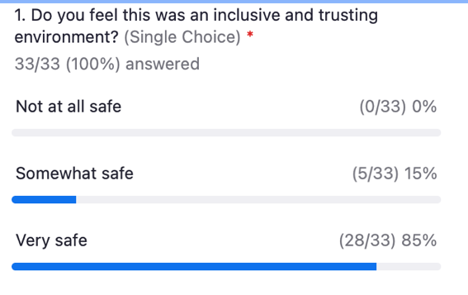 5.70
CAEECC Members (including PAs) were flexible in seeking outcomes that were potentially mutually agreeable, where applicable. | n/a | 5.0 | 5.0 | 5.2 | 4.7
The facilitators were effective in running the meeting (e.g., fostering a constructive and efficient forum, being impartial, and making sure no one dominated discussions). | 5.3 | 5.5 | 5.5 | 5.4 | 5.3
Overall, the online meeting format (Zoom or WebEx) was smooth and effective. | 5.3 | 5.2 | 5.2 | 5.3 | 4.9 |  |  | 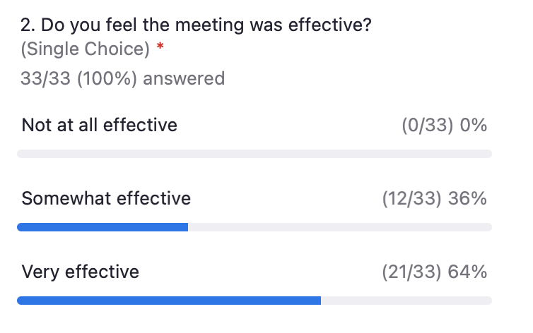
Overall, this Full CAEECC meeting was successful. | 5.0 | 5.0 | 5.0 | 5.1 | 4.6 |  | 5.27

